Minimum Maturity Standards
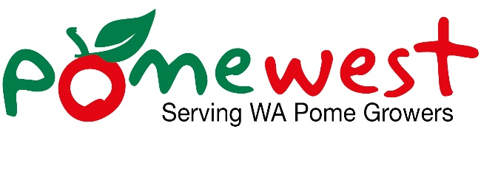

Minimum Maturity Standards
Apple variety | Firmness (Kg-f) | Starch Index on 6 point scale. | Total soluble solids (°Brix)
Gala | 6.5 | 3 | 11.8
Granny Smith | 6.5 | 3 | 11
Pink LadyTM | 6.5 | 3 | 13

